Sheet1
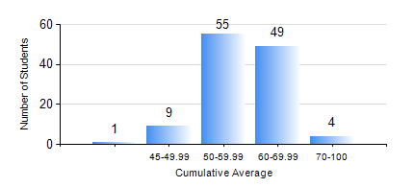
 |  |  | KWAME NKRUMAH UNIVERSITY OF SCIENCE AND TECHNOLOGY, KUMASI Department of Mechanical Engineering

 |  |  | BSC. AUTOMOBILE ENG.

 |  |  | COMPREHENSIVE RECORD OF EXAMINATION RESULTS

 |  |  | RESULTS OF YEAR 4 FIRST SEMESTER, 2023/2024 ACADEMIC YEAR

 | Sn | Course Code |  | Course Name | Credit Hours | Min. Mark | Max. Mark | Avg. Mark | Std. Dev. | No. Passed | No. Trailed | No. (Df) | No. (I) | No. (I*) | No. Tagged(I,I*,Df) | Total
 | 1. | AME 455 |  | VEHICLE AIR-CONDITIONING AND REFRIGERATION | 2 | 15 | 77 | 48 | 11.34 | 111 | 7 | 0 | 0 | 0 | 0 | 118
 | 2. | AME 467 |  | AUTOMOTIVE COMPRESSION-IGNITION ENGINES | 2 | 40 | 84 | 64 | 9.76 | 118 | 0 | 0 | 0 | 0 | 0 | 118
 | 3. | AME 479 |  | AUTOMOBILE ENGINEERING VACATION TRAINING II | 2 | 50 | 89 | 73 | 7.48 | 116 | 0 | 2 | 0 | 0 | 2 | 118
 | 4. | AME 485 |  | AUTOMATIC POWER TRAIN | 2 | 18 | 79 | 57 | 10.15 | 113 | 5 | 0 | 0 | 0 | 0 | 118
 | 5. | AME 495 |  | AUTOMOTIVE WORKSHOP PRACTICE II | 2 | 69 | 85 | 80 | 3.76 | 118 | 0 | 0 | 0 | 0 | 0 | 118
 | 6. | AME 497 |  | FINAL YEAR PROJECT I | 3 | 61 | 72 | 68 | 2.69 | 118 | 0 | 0 | 0 | 0 | 0 | 118
 | 7. | ME 453 |  | HYDRAULICS AND PNEUMATICS | 3 | 10 | 90 | 65 | 11.58 | 116 | 1 | 0 | 0 | 0 | 1 | 118
 | 8. | ME 491 |  | ENGINEERING ECONOMY AND MANAGEMENT | 2 | 12 | 78 | 56 | 9.94 | 116 | 2 | 0 | 0 | 0 | 0 | 118

